EU Ind. Sector - EPS Crosswalk
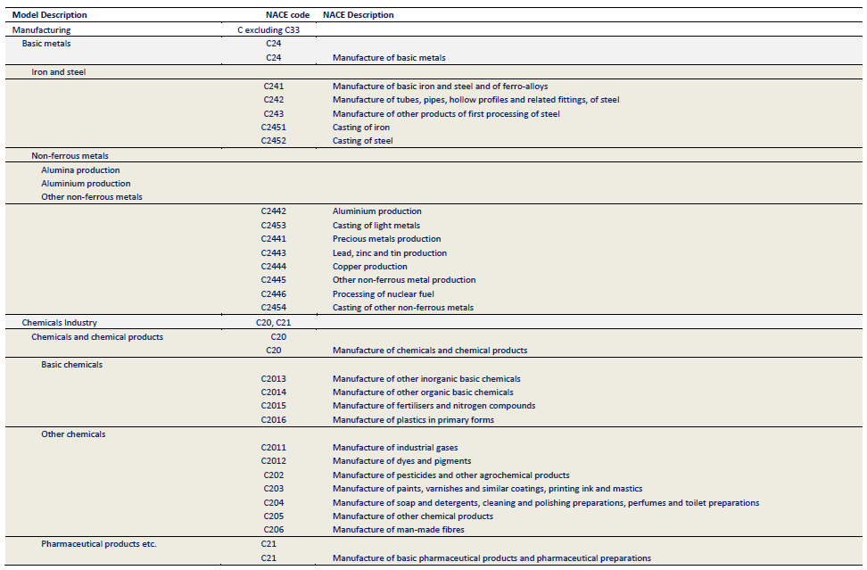
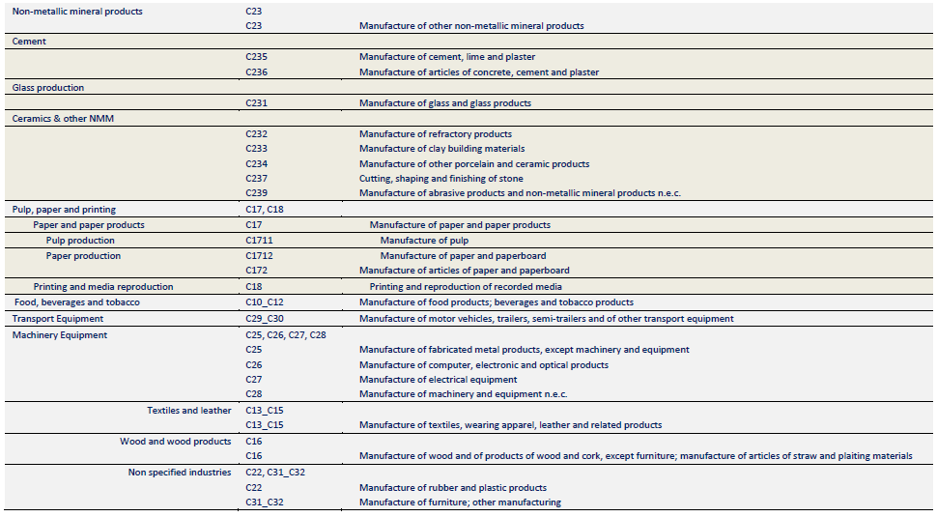
Fully Disaggregated Industry Categories

Eurostat Energy Balance Category (with historical data) | Relevant POTEnCIA File (with projections out to 2050) | EPS Industry Sector Category | Notes
Agriculture (FC_OTH_AF_E) | File: Central_2018_EU28_ter_det_yearly, Sheet: AGR | agriculture and forestry 01T03
Coal Mining (NRG_CM_E) | File: Central_2018_EU28_bal_yearly, Sheet: cenpren | coal mining 05 | POTEnCIA category is not disaggregated exactly the same way; use disaggregated Eurostat data for 'coal mining' and 'oil and gas extraction' to calculate the fuel split and apply this to the aggregated numbers of the Potencia scenario.
Oil and Natural Gas Extraction Plants (NRG_OIL_NG_E) | File: Central_2018_EU28_bal_yearly, Sheet: cenpren | oil and gas extraction 06 | POTEnCIA category is not disaggregated exactly the same way; use disaggregated Eurostat data for 'coal mining' and 'oil and gas extraction' to calculate the fuel split and apply this to the aggregated numbers of the Potencia scenario.
Mining and Quarrying (FC_IND_MQ_E) | File: Central_2018_EU28_ind_yearly, Sheet: Other Industrial Sectors | other mining and quarrying 07T08 | Use Eurostat data to calculat fuel split and apply to aggregated POTEnCIA category
Food, Beverages and Tobacco (FC_IND_FBT_E) | File: Central_2018_EU28_ind_yearly, Sheet: FBT | food beverage and tobacco 10T12
Textile and Leather (FC_IND_TL_E) | File: Central_2018_EU28_ind_yearly, Sheet: TEL | textiles apparel and leather 13T15
Wood and Wood Products (FC_IND_WP_E) | File: Central_2018_EU28_ind_yearly, Sheet: WWP | wood products 16
Pulp, Paper and Printing (FC_IND_PPP_E) | File: Central_2018_EU28_ind_yearly, Sheet: PPA | pulp paper and printing 17T18
Petroleum Refineries (NRG_PR_E), Non-energy Use in Other Sectors (NRG_OTH_NE) | File: Central_2018_EU28_bal_yearly, Sheets: cenrf, neos, tirf | refined petroleum and coke 19 | all transformation inputs in tirf are treated as feedstocks
Chemical and Petrochemical (FC_IND_CPC_E) | File: Central_2018_EU28_ind_yearly, Sheet: CHI | chemicals 20
Not Elsewhere Specified (FC_IND_NSP_E) | File: Central_2018_EU28_ind_yearly, Sheet: Other Industrial Sectors | rubber and plastic products 22
Non-Metallic Minerals (FC_IND_NMM_E) | File: Central_2018_EU28_bal_yearly, Sheet: gla | glass and glass products 231 | fuels used in certain end processes are not specified
Non-Metallic Minerals (FC_IND_NMM_E) | File: Central_2018_EU28_bal_yearly, Sheets: cem, cer | cement and other nonmetallic minerals 239 | fuels used in certain end processes are not specified
Iron and Steel (FC_IND_IS_E) | File: Central_2018_EU28_ind_yearly, Sheet: ISI | iron and steel 241 | also includes the non-energy "solids" consumption in the neos tab
Non-Ferrous Metals (FC_IND_NFM_E) | File: Central_2018_EU28_ind_yearly, Sheet: NFM | other metals 242
Machinery (FC_IND_MAC_E) | File: Central_2018_EU28_ind_yearly, Sheet: MAE | metal products except machinery and vehicles 25 | lumped in with Machinery category
Machinery (FC_IND_MAC_E) | File: Central_2018_EU28_ind_yearly, Sheet: MAE | computers and electronics 26 | lumped in with Machinery category
Machinery (FC_IND_MAC_E) | File: Central_2018_EU28_ind_yearly, Sheet: MAE | appliances and electrical equipment 27 | lumped in with Machinery category
Machinery (FC_IND_MAC_E) | File: Central_2018_EU28_ind_yearly, Sheet: MAE | other machinery 28 | lumped in with Machinery category
Transport Equipment (FC_IND_TE_E) | File: Central_2018_EU28_ind_yearly, Sheet: TRE | road vehicles 29 | Could scale transport equipment fuel use by automobile manufacturing output in input-output data
Transport Equipment (FC_IND_TE_E) | File: Central_2018_EU28_ind_yearly, Sheet: TRE | nonroad vehicles 30 | Could scale transport equipment fuel use by automobile manufacturing output in input-output data
Not Elsewhere Specified (FC_IND_NSP_E) | File: Central_2018_EU28_ind_yearly, Sheet: Other Industrial Sectors | other manufacturing 31T33 | Use Eurostat data to calculat fuel split and apply to aggregated POTEnCIA category; also inlcude the non-solids non-energy consumption in the neos tab
Pipeline Transport (FC_TRA_PIPE_E) | File: Central_2018_EU28_bal_yearly, Sheet: cpi | energy pipelines and gas processing 352T353
n/a; see methodology notes in About sheet | n/a; see methodology notes in About sheet | water and waste 36T39 | non-industry sector in EU data; Not listed in Energy Balance
Construction (FC_IND_CON_E) | File: Central_2018_EU28_ind_yearly, Sheet: Other Industrial Sectors | construction 41T43 | Use Eurostat data to calculat fuel split and apply to aggregated POTEnCIA category

Aggregated Industry Categories

Notes: For aggregated industry sectors, assign aggregated values to the highlighted EPS industry sectory category. This aggregation and categorization must be consistent across all economic and industry variables.
POTEnCIA lumps coal mining, and oil and gas extraction together in its primary energy production category. However, these two industries must be broken out to ensure they are mapped to the correct cash flow entities elsewhere (e.g., spending on process emissions policies).

Eurostat Energy Balance Category (with historical data) | Relevant POTEnCIA File (with projections out to 2050) | EPS Industry Sector Categories | Web App sector name for aggregated EPS sector categories | Notes for 'Calculations' sheet
Agriculture (FC_OTH_AF_E) | File: Central_2018_EU28_ter_det_yearly, Sheet: AGR | agriculture and forestry 01T03 | Agriculture and Forestry
Food, Beverages and Tobacco (FC_IND_FBT_E) | File: Central_2018_EU28_ind_yearly, Sheet: FBT | food beverage and tobacco 10T12 | Food, Beverage and Tobacco
Textile and Leather (FC_IND_TL_E) | File: Central_2018_EU28_ind_yearly, Sheet: TEL | textiles apparel and leather 13T15 | Textiles, Apparel and Leather
Wood and Wood Products (FC_IND_WP_E) | File: Central_2018_EU28_ind_yearly, Sheet: WWP | wood products 16 | Wood Products
Pulp, Paper and Printing (FC_IND_PPP_E) | File: Central_2018_EU28_ind_yearly, Sheet: PPA | pulp paper and printing 17T18 | Pulp, Paper and Printing
Petroleum Refineries (NRG_PR_E), Non-energy Use in Other Sectors (NRG_OTH_NE) | File: Central_2018_EU28_bal_yearly, Sheets: cenrf, neos | refined petroleum and coke 19 | Refined Petroleum and Coke | Add in other non-energy use
Chemical and Petrochemical (FC_IND_CPC_E) | File: Central_2018_EU28_ind_yearly, Sheet: CHI | chemicals 20 | Chemicals | Add in non-energy use for chemicals and subtract energy for CCS
Iron and Steel (FC_IND_IS_E) | File: Central_2018_EU28_ind_yearly, Sheet: ISI | iron and steel 241 | Iron and Steel | Subtract energy for CCS
Non-Ferrous Metals (FC_IND_NFM_E) | File: Central_2018_EU28_ind_yearly, Sheet: NFM | other metals 242 | Other Metals | Subtract energy for CCS
Coal Mining (NRG_CM_E) | File: Central_2018_EU28_bal_yearly, Sheet: cenpren | coal mining 05 | Coal Mining | Disaggregate POTEnCIA category using historical Eurostat data
Oil and Natural Gas Extraction Plants (NRG_OIL_NG_E) |  | oil and gas extraction 06 | Oil and Gas Extraction | Disaggregate POTEnCIA category using historical Eurostat data
Non-Metallic Minerals (FC_IND_NMM_E) | File: Central_2018_EU28_bal_yearly, Sheet: gla | glass and glass products 231 | Glass and Glass Products
 | File: Central_2018_EU28_bal_yearly, Sheets: cem, cer | cement and other nonmetallic minerals 239 | Cement and Other Nonmetallic Minerals | Subtract energy for CCS
Pipeline Transport (FC_TRA_PIPE_E) | File: Central_2018_EU28_bal_yearly, Sheet: cpi | energy pipelines and gas processing 352T353 | Energy Pipelines and Gas Processing
Machinery (FC_IND_MAC_E) | File: Central_2018_EU28_ind_yearly, Sheet: MAE | metal products except machinery and vehicles 25 | Machinery
 |  | computers and electronics 26
 |  | appliances and electrical equipment 27
 |  | other machinery 28
Transport Equipment (FC_IND_TE_E) | File: Central_2018_EU28_ind_yearly, Sheet: TRE | road vehicles 29 | Transport Equipment
 |  | nonroad vehicles 30
Mining and Quarrying (FC_IND_MQ_E) | File: Central_2018_EU28_ind_yearly, Sheet: OIS | other mining and quarrying 07T08 | Other Industrial Sectors
Not Elsewhere Specified (FC_IND_NSP_E) |  | rubber and plastic products 22
 |  | other manufacturing 31T33
Construction (FC_IND_CON_E) |  | construction 41T43
n/a; see methodology notes in About sheet | n/a; see methodology notes in About sheet | water and waste 36T39 | Water and Waste

POTEnCIA Model Description - NACE Code Mapping

Source: JRC
https://publications.jrc.ec.europa.eu/repository/handle/JRC100638
pp. 140-141

